OFFER
TOM FORD SUNGLASSES

MODEL | SIZE | COLOR | EAN | GENDER | WHS | RRP | Q.TY | ORDER | PHOTOS
FT0008 | 61 | 199 | 664689394739 | Female | € 108.00 | € 240.00 | 82 |  | 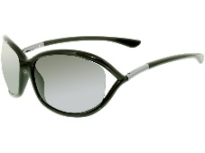
FT0320 | 59 | 16W | 889214022042 | Female | € 135.00 | € 300.00 | 32
FT0320 | 59 | 28Z | 889214022059 | Female | € 135.00 | € 300.00 | 42
FT0500 | 54 | 05J | 664689828623 | Male | € 117.00 | € 260.00 | 30
FT0516 | 54 | 01A | 664689829576 | Unisex | € 121.50 | € 270.00 | 40
FT0623 | 51 | 09V | 664689929948 | Unisex | € 166.50 | € 370.00 | 55
FT0625 | 55 | 01D | 664689930067 | Male | € 153.00 | € 340.00 | 10
FT0672 | 53 | 52E | 889214001740 | Male | € 135.00 | € 300.00 | 24
FT0672 | 53 | 02N | 889214004468 | Male | € 135.00 | € 300.00 | 15
FT0673 | 51 | 52E | 889214001856 | Male | € 135.00 | € 300.00 | 12
FT0680 | 57 | 33Z | 889214027559 | Male | € 121.50 | € 270.00 | 55
FT0681 | 63 | 16B | 889214028662 | Female | € 157.50 | € 350.00 | 53
FT0681 | 63 | 16G | 889214028679 | Female | € 157.50 | € 350.00 | 53
FT0681 | 63 | 28P | 889214028686 | Female | € 157.50 | € 350.00 | 53
FT0683 | 63 | 01B | 889214028709 | Female | € 171.00 | € 380.00 | 83
FT0735-H | 62 | 30F | 889214091123 | Male | € 135.00 | € 300.00 | 35 |  | 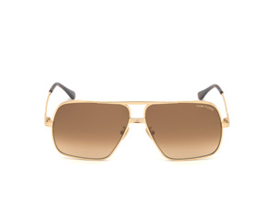
FT0752 | 52 | 56A | 889214096203 | Male | € 112.50 | € 250.00 | 50
FT0766 | 63 | 72Y | 889214095381 | Female | € 144.00 | € 320.00 | 40
FT0779-F | 60 | 52N | 889214122001 | Male | € 135.00 | € 300.00 | 57
FT0780 | 58 | 56E | 889214122117 | Male | € 135.00 | € 300.00 | 73 |  | 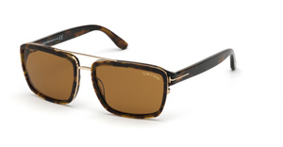
FT0792 | 54 | 52H | 889214122230 | Female | € 180.00 | € 400.00 | 85 |  | 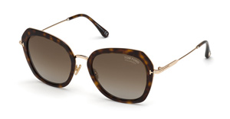
 |  |  |  |  |  |  | 979 | 0

